Dashboard
Sr. No. | Scheme Name | Type / Category of Scheme | Investment Objective | Fund Manager | Benchmark Index | Additional Benchmark Index | Exit Load |  | Plans | Options | Minimum Investment Amount | Month end AUM (Rs. In Cr.) | Month End Total Expense Ratio - Regular Plan | Month End Total Expense Ratio - Direct Plan | Inception Date | Monthly Portfolio of Schemes | Scheme Performance | SIP Performance | Scheme Riskometer |  | Benchmark Riskometer
1 | PGIM India Large Cap Fund | (Large Cap Fund - An open ended equity scheme predominantly investing in large cap stocks) | To generate long term capital growth from a diversified portfolio of equity and equity related securities of predominantly large cap companies. | (w.e.f. August 19, 2023) Mr. Anandha Padmanabhan Anjeneyan (Equity Portion) (Over 17 years of experience in Equity Market); (w.e.f. April 15, 2024) Mr. Vivek Sharma (Equity Portion) (Over 15 years of experience in Equity market, research and fund management); (w.e.f. April 01, 2023) Mr. Vinay Paharia (Equity Portion)(Over 22 years of experience in Indian financial markets, primarily in equity research & Fund Management) and (w.e.f. April 01, 2023) Mr. Akhil Dhar (Debt Portion) (Over 9 years of experience in Credit Analysis and Research). | NIFTY 100 TRI | Nifty 50 TR Index | For Exits within 90 days from date of allotment of units: 0.50%; For Exits beyond 90 days from date of allotment of units: NIL. |  | Regular Plan and Direct Plan | IDCW** (Payout of Income Distribution cum Capital Withdrawal option / Reinvestment of Income Distribution cum Capital Withdrawal option) and Growth. | Rs. 5000/- and in multiples of Re. 1/- thereafter. | 546.46 | 2.63% | 1.10% | Regular Plan: 30/01/2003 | Click here | Click here | Click here | This product is suitable for investors who are seeking* • Capital growth over the long term • Investment predominantly in equity and equity related securities of Large Cap companies. • Degree of risk – VERY HIGH * Investors should consult their financial advisers if in doubt about whether the product is suitable for them. | 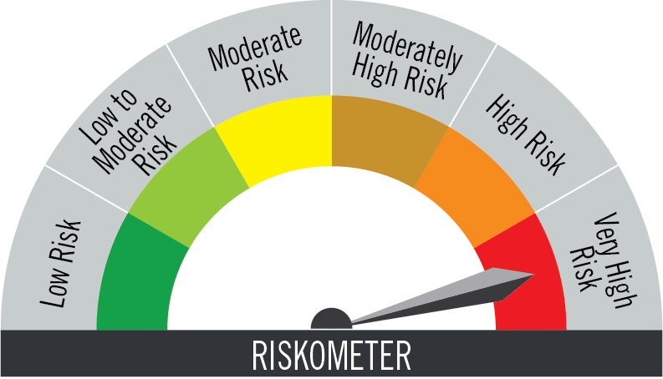 The risk of the scheme is very high | AMFI Tier 1 Benchmark - NIFTY 100 TRI The risk of the benchmark is very high
2 | PGIM India Flexi Cap Fund | (Flexi Cap Fund - An open ended dynamic equity scheme investing across large cap, mid cap, small cap stocks) | To generate income & capital appreciation by predominantly investing in an actively managed diversified portfolio of equity & equity related instruments including derivatives. | (w.e.f. June 01, 2021) Mr. Anandha Padmanabhan Anjeneyan (Equity Portion) (Over 17 years of experience in Equity Market); (w.e.f. April 15, 2024) Mr. Vivek Sharma (Equity Portion) (Over 15 years of experience in Equity market, research and fund management); (w.e.f. April 01, 2023) Mr. Vinay Paharia (Equity Portion)(Over 22 years of experience in Indian financial markets, primarily in equity research & Fund Management) and (w.e.f. April 01, 2023) Mr. Puneet Pal (Debt Portion) (Over 24 years of experience in Debt Market). | Nifty 500 TR Index | NIFTY 50 TR Index | For Exits within 90 days from date of allotment of units: 0.50%; For Exits beyond 90 days from date of allotment of units: NIL. |  | Regular Plan and Direct Plan | IDCW** (Payout of Income Distribution cum Capital Withdrawal option / Reinvestment of Income Distribution cum Capital Withdrawal option) and Growth. | Rs. 5000/- and in multiples of Re. 1/- thereafter. | 5850.05 | 2.15% | 0.86% | Regular Plan: 04/03/2015 | Click here | Click here | Click here | This product is suitable for investors who are seeking* • Capital appreciation over long term • To generate income and capital appreciation by predominantly investing in an actively managed diversified portfolio of equity and equity related instruments including derivatives. • Degree of risk – VERY HIGH * Investors should consult their financial advisers if in doubt about whether the product is suitable for them. | The risk of the scheme is very high | AMFI Tier 1 Benchmark - Nifty 500 TR Index The risk of the benchmark is very high
3 | PGIM India Midcap Fund | (Mid Cap Fund- An open ended equity scheme predominantly investing in mid cap stocks) | The primary objective of the Scheme is to achieve long-term capital appreciation by predominantly investing in equity & equity related instruments of mid cap companies. | (w.e.f. April 15, 2024) Mr. Vivek Sharma (Equity Portion) (Over 15 years of experience in Equity market, research and fund management); (w.e.f. November 01, 2023) Mr. Utsav Mehta (Equity Portion) (Over 14 years of experience in Equity market, research and fund management); (w.e.f. April 01, 2023) Mr. Vinay Paharia (Equity Portion) (Over 22 years of experience in Indian financial markets, primarily in equity research & Fund Management); and (w.e.f. July 16, 2022) Mr. Puneet Pal (Debt Portion) (Over 24 years of experience in Debt Market). | NIFTY Midcap 150 TRI | NIFTY 50 TR Index | For Exits within 90 days from date of allotment of units: 0.50%; For Exits beyond 90 days from date of allotment of units: NIL. |  | Regular Plan and Direct Plan | IDCW** (Payout of Income Distribution cum Capital Withdrawal option / Reinvestment of Income Distribution cum Capital Withdrawal option) and Growth. | Rs. 5000/- and in multiples of Re. 1/- thereafter. | 11009.55 | 1.95% | 0.77% | Regular Plan: 02/12/2013 | Click here | Click here | Click here | This product is suitable for investors who are seeking* • Capital appreciation over long run. • To achieve long term capital appreciation by predominantly investing in equity and equity related instruments of mid cap companies. • Degree of risk – VERY HIGH * Investors should consult their financial advisers if in doubt about whether the product is suitable for them. | The risk of the scheme is very high | AMFI Tier 1 Benchmark - NIFTY Midcap 150 TRI The risk of the benchmark is very high
4 | PGIM India Large and Midcap Fund | (Large and Mid Cap Fund - An open ended equity scheme investing in both large cap and mid cap stocks) | The investment objective of the Scheme is to seek long term capital growth through investments in equity and equity related securities of predominantly large cap and mid cap stocks. | (w.e.f. February 12, 2024) Mr. Vinay Paharia (Equity Portion) (Over 22 years of experience in Indian financial markets, primarily in equity research & Fund Management); (w.e.f. February 12, 2024) Mr. Anandha Padmanabhan Anjeneyan (Equity Portion) (Over 17 years of experience in Equity Market); (w.e.f. February 12, 2024) Mr. Utsav Mehta (Equity Portion) (Over 14 years of experience in Equity market, research and fund management) and (w.e.f. February 12, 2024) Mr. Puneet Pal (Debt Portion) (Over 24 years of experience in Debt Market). | NIFTY LargeMidcap 250 Index TRI | NIFTY 50 TR Index | For Exits within 90 days from date of allotment of units: 0.50%; For Exits beyond 90 days from date of allotment of units: NIL. |  | Regular Plan and Direct Plan | IDCW** (Payout of Income Distribution cum Capital Withdrawal option / Reinvestment of Income Distribution cum Capital Withdrawal option) and Growth. | Rs. 5000/- and in multiples of Re. 1/- thereafter. | 825.18 | 2.43% | 0.78% | Regular Plan: 12/02/2024 | Click here | Click here | Click here | This product is suitable for investors who are seeking* • Long term capital growth. • Investing in equity and equity related securities of predominantly large cap and mid cap stocks. • Degree of risk – VERY HIGH * Investors should consult their financial advisers if in doubt about whether the product is suitable for them. | The risk of the scheme is very high | AMFI Tier 1 Benchmark - NIFTY LargeMidcap 250 Index TRI The risk of the benchmark is very high
5 | PGIM India Multi Cap Fund | (Multi Cap Fund - An open ended equity scheme investing across large cap, mid cap, small cap stocks) | The investment objective of the scheme is to seek to generate long-term capital appreciation by investing in a portfolio of equity and equity related securities across large cap, mid cap and small cap stocks. However, there can be no assurance that the investment objective of the Scheme will be achieved. The Scheme does not guarantee/ indicate any returns. | (w.e.f. September 10, 2024) Mr. Vivek Sharma (Equity Portion) (Over 15 years of experience in Equity market, research and fund management); (w.e.f. September 10, 2024) Mr. Utsav Mehta (Equity Portion) (Over 14 years of experience in Equity market, research and fund management); (w.e.f. September 10, 2024) Mr. Anandha Padmanabhan Anjeneyan (Equity Portion) (Over 17 years of experience in Equity Market); and (w.e.f. September 10, 2024) Mr. Puneet Pal (Debt Portion) (Over 24 years of experience in Debt Market). | Nifty 500 Multicap 50:25:25 TRI | NIFTY 50 TR Index | For Exits within 90 days from date of allotment of units: 0.50%; For Exits beyond 90 days from date of allotment of units: NIL. |  | Regular Plan and Direct Plan | IDCW** (Payout of Income Distribution cum Capital Withdrawal option / Reinvestment of Income Distribution cum Capital Withdrawal option) and Growth. | Rs. 5000/- and in multiples of Re. 1/- thereafter. | 449.33 | 2.50% | 0.81% | Regular Plan: 10/09/2024 | Click here | Click here | Click here | This product is suitable for investors who are seeking* • Long term capital growth. • Investment in equity and equity related securities of large cap, mid cap, small cap companies. • Degree of risk – VERY HIGH * Investors should consult their financial advisers if in doubt about whether the product is suitable for them. | The risk of the scheme is very high | AMFI Tier 1 Benchmark -Nifty 500 Multicap 50:25:25 TRI The risk of the benchmark is very high
6 | PGIM India Small Cap Fund | (Small Cap Fund - An open-ended equity scheme predominantly investing in small cap stocks) | To achieve long term capital appreciation by predominantly investing in equity and equity related instruments of small cap companies. | (w.e.f. April 15, 2024) Mr. Utsav Mehta (Equity Portion) (Over 14 years of experience in Equity market, research and fund management); (w.e.f. April 15, 2024) Mr. Vivek Sharma (Equity Portion) (Over 15 years of experience in Equity market, research and fund management); (w.e.f. April 01, 2023) Mr. Vinay Paharia (Equity Portion) (Over 22 years of experience in Indian financial markets, primarily in equity research & Fund Management) and (w.e.f. April 01, 2023) Mr. Puneet Pal (Debt Portion) (Over 24 years of experience in Debt Market). | NIFTY Smallcap 250 TRI | NIFTY 50 TRI | For Exits within 90 days from date of allotment of units: 0.50%; For Exits beyond 90 days from date of allotment of units: NIL. |  | Regular Plan and Direct Plan | IDCW** (Payout of Income Distribution cum Capital Withdrawal option / Reinvestment of Income Distribution cum Capital Withdrawal option) and Growth. | Rs. 5000/- and in multiples of Re. 1/- thereafter. | 1673.53 | 2.33% | 0.88% | Regular Plan: 29/07/2021 | Click here | Click here | Click here | This product is suitable for investors who are seeking* • Capital appreciation over a long period of time. • Investment in equity and equity related instruments of small cap companies. • Degree of risk – VERY HIGH * Investors should consult their financial advisers if in doubt about whether the product is suitable for them. | The risk of the scheme is very high | AMFI Tier 1 Benchmark - NIFTY Smallcap 250 TRI The risk of the benchmark is very high
7 | PGIM India ELSS Tax Saver Fund | (An ELSS Fund - An Open Ended Equity Linked Savings Scheme with a statutory lock-in of 3 years and tax benefit) | The primary objective of the Scheme is to generate long-term capital appreciation by predominantly investing in equity & equity related instruments and to enable eligible investors to avail deduction from total income, as permitted under the Income Tax Act, 1961 as amended from time to time. | (w.e.f. April 15, 2024) Mr. Vivek Sharma (Equity Portion) (Over 15 years of experience in Equity market, research and fund management); (w.e.f. April 15, 2024) Mr. Utsav Mehta (Equity Portion) (Over 14 years of experience in Equity market, research and fund management) (w.e.f. April 01, 2023) Mr. Vinay Paharia (Equity Portion)(over 22 years of experience in Indian financial markets, primarily in equity research & Fund Management); and (w.e.f. February 25, 2026) Mr. Akhil Dhar (Debt Portion) (Over 9 years of experience in Credit Analysis and Research). | NIFTY 500 TRI | NIFTY 50 TR Index | Nil |  | Regular Plan and Direct Plan | IDCW** (Payout of Income Distribution cum Capital Withdrawal option) and Growth. | Minimum of Rs. 500/- and in multiples of Rs. 500/- thereafter. | 717.36 | 2.72% | 1.20% | Regular Plan: 11/12/2015 | Click here | Click here | Click here | This product is suitable for investors who are seeking* • Long-term capital appreciation • To generate long-term capital appreciation by predominantly investing in equity & equity related instruments and to enable eligible investors to avail deduction from total income, as permitted under the Income Tax Act, 1961 as amended from time to time. • Degree of risk – VERY HIGH * Investors should consult their financial advisers if in doubt about whether the product is suitable for them. | The risk of the scheme is very high | AMFI Tier 1 Benchmark - NIFTY 500 TRI The risk of the benchmark is very high
8 | PGIM India Healthcare Fund | (Sectoral Fund - An open ended equity scheme investing in healthcare and pharmaceutical sector) | The primary investment objective of the scheme is to seek to generate consistent returns by predominantly investing in equity and equity related securities of pharmaceutical and healthcare companies. However, there is no assurance that the investment objective of the scheme will be achieved. The Scheme does not guarantee/indicate any returns. | (w.e.f. Dec 06, 2024) Mr. Anandha Padmanabhan Anjeneyan (Equity Portion) (Over 17 years of experience in Equity markets; (w.e.f. Dec 06, 2024) Mr. Utsav Mehta (Equity Portion) (Over 14 years of experience in Equity markets; (w.e.f. Dec 06, 2024) Mr. Vivek Sharma (Equity Portion) (Over 15 years of experience in Equity markets research and fund management); (w.e.f. Dec 06, 2024) Mr. Puneet Pal (Over 24 years of experience in Debt Market) | BSE Healthcare TRI | NIFTY 50 TR Index | For Exits within 90 days from date of allotment of units: 0.50%; For Exits beyond 90 days from date of allotment of units: NIL. |  | Regular Plan and Direct Plan | IDCW** (Payout of Income Distribution cum Capital Withdrawal option) and Growth. | Minimum of Rs. 5000/- and in multiples of Re. 1/- thereafter. | 111.88 | 2.58% | 0.92% | Regular Plan: 06/12/2024 | Click here | Click here | Click here | This product is suitable for investors who are seeking* • Long term capital growth • Investment in equity and equity related securities of pharmaceutical and healthcare companies. • Degree of risk – VERY HIGH * Investors should consult their financial advisers if in doubt about whether the product is suitable for them. | The risk of the scheme is very high | AMFI Tier 1 Benchmark - BSE Healthcare TRI The risk of the benchmark is very high
9 | PGIM India Aggressive Hybrid Equity Fund | (An Aggressive Hybrid Fund - An open ended hybrid scheme investing predominantly in equity and equity related instruments) | The investment objective of the scheme is to seek to generate long term capital appreciation and income from a portfolio of equity and equity related securities as well as fixed income securities. | (w.e.f. April 15, 2024) Vivek Sharma (Equity Portion) (Over 15 years of experience in Equity market, research and fund management); (w.e.f. August 19, 2023) Mr. Anandha Padmanabhan Anjeneyan (Equity Portion) (Over 17 years of experience in Equity Market); (w.e.f. April 01, 2023) Mr. Vinay Paharia (Equity Portion) (Over 22 years of experience in Indian financial markets, primarily in equity research & Fund Management) and (w.e.f. April 01, 2023) Mr. Puneet Pal (Debt Portion) (Over 24 years of experience in Debt Market). | CRISIL Hybrid 35+65 - Aggresive Index | Nifty 50 TR Index | For Exits within 90 days from date of allotment of units: 0.50%; For Exits beyond 90 days from date of allotment of units: NIL. |  | Regular Plan and Direct Plan | IDCW**, Monthly IDCW** - (Payout of Income Distribution cum Capital Withdrawal option / Reinvestment of Income Distribution cum Capital Withdrawal option) and Growth. | Rs. 5000/- and in multiples of Re. 1/- thereafter. | 206.04 | 2.47% | 0.89% | Regular Plan: 05/02/2004 | Click here | Click here | Click here | This product is suitable for investors who are seeking* • Capital growth over the long term • Investing predominantly in equity and equity related securities • Degree of risk – VERY HIGH * Investors should consult their financial advisers if in doubt about whether the product is suitable for them. | The risk of the scheme is very high | 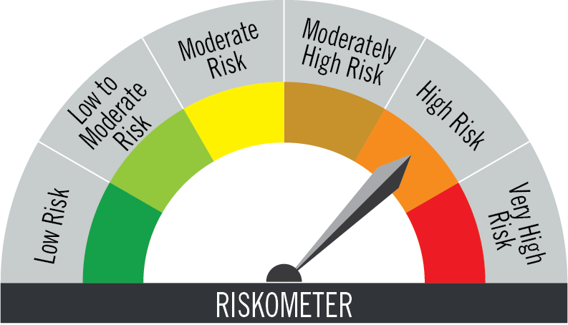 AMFI Tier 1 Benchmark - CRISIL Hybrid 35+65 - Aggresive Index The risk of the benchmark is high
10 | PGIM India Emerging Markets Equity Fund of Fund# | (A Fund of funds investing overseas - An open ended equity fund of fund scheme investing in PGIM Jennison Emerging Markets Equity Fund) | The primary investment objective of the Scheme is to generate long term capital growth from investing in the units of PGIM Jennison Emerging Markets Equity Fund, which invests primarily in equity and equity-related securities of companies located in or otherwise economically tied to emerging markets countries. However, there can be no assurance that the investment objective of the Scheme will be achieved. The Scheme does not guarantee/indicate any returns. | (w.e.f. February 15, 2025) Mr. Anandha Padmanabhan Anjeneyan (Over 17 years of experience in Equity Market); (w.e.f. February 15, 2025) Mr. Vivek Sharma (Over 15 years of experience in Equity Market, research and fund management) | MSCI Emerging market Index TRI | Nifty 50 TR Index | For Exits within 90 days from date of allotment of units: 0.50%; For Exits beyond 90 days from date of allotment of units: NIL. |  | Regular Plan and Direct Plan | Growth. | Rs. 5000/- and in multiples of Re. 1/- thereafter. | 1327.76 | 2.34%** | 1.29%** | Regular Plan: 11/09/2007 | Click here | Click here | Click here | This product is suitable for investors who are seeking* • Capital growth over the long term • Investment in units of overseas mutual funds that invest in equity securities of companies around the world in the early stage of acceleration in their growth. • Degree of risk – VERY HIGH * Investors should consult their financial advisers if in doubt about whether the product is suitable for them. | The risk of the scheme is very high | AMFI Tier 1 Benchmark - MSCI Emerging Markets Index The risk of the benchmark is very high
11 | PGIM India Global Equity Opportunities Fund of Fund# | (A Fund of funds investing overseas - An open ended equity fund of fund scheme investing in PGIM Jennison Global Equity Opportunities Fund) | The primary investment objective of the Scheme is to generate long term capital growth from a diversified portfolio of units of overseas mutual funds. However, there can be no assurance that the investment objective of the Scheme will be achieved. The Scheme does not guarantee/ indicate any returns. | (w.e.f. February 15, 2025) Mr. Anandha Padmanabhan Anjeneyan (Over 17 years of experience in Equity Market); (w.e.f. February 15, 2025) Mr. Vivek Sharma (Over 15 years of experience in Equity Market, research and fund management) | MSCI All Country World Index | Nifty 50 TR Index | For Exits within 90 days from date of allotment of units: 0.50%; For Exits beyond 90 days from date of allotment of units: NIL. |  | Regular Plan and Direct Plan | Growth. | Rs. 5000/- and in multiples of Re. 1/- thereafter. | 1667.67 | 2.32%** | 1.39%** | Regular Plan: 13/05/2010 | Click here | Click here | Click here | This product is suitable for investors who are seeking* • Capital growth over the long term • Investment in units of overseas mutual funds that invest in equity securities of companies around the world in the early stage of acceleration in their growth. • Degree of risk – VERY HIGH * Investors should consult their financial advisers if in doubt about whether the product is suitable for them. | The risk of the scheme is very high | AMFI Tier 1 Benchmark - MSCI All Country World Index The risk of the benchmark is very high
12 | PGIM India Global Select Real Estate Securities Fund Of Fund# | (A Fund of funds investing overseas - An open-ended equity fund of fund scheme investing in PGIM Global Select Real Estate Securities Fund) | The primary investment objective of the Scheme is to generate long term capital appreciation from investing in the units of PGIM Global Select Real Estate Securities Fund, which primarily invests in REITs and equity and equity related securities of real estate companies located throughout the world. However, there can be no assurance that the investment objective of the Scheme will be achieved. The Scheme does not guarantee/ indicate any returns. | (w.e.f. February 15, 2025) Mr. Anandha Padmanabhan Anjeneyan (Over 17 years of experience in Equity Market); (w.e.f. February 15, 2025) Mr. Vivek Sharma (Over 15 years of experience in Equity Market, research and fund management) | FTSE EPRA / NAREIT Developed Index | Nifty 50 TR Index | For Exits within 90 days from date of allotment of units: 0.50%; For Exits beyond 90 days from date of allotment of units: NIL |  | Regular Plan and Direct Plan | Growth. | Rs. 5000/- and in multiples of Re. 1/- thereafter. | 63.50 | 2.33%** | 1.50%** | Regular Plan: 03/12/2021 | Click here | Click here | Click here | This product is suitable for investors who are seeking* • Capital appreciation over a longer term • Investment in units of overseas mutual funds that invest in equity and equity related securities of real estate companies located throughout the world. • Degree of risk – VERY HIGH * Investors should consult their financial advisers if in doubt about whether the product is suitable for them. | The risk of the scheme is very high | AMFI Tier 1 Benchmark - FTSE EPRA / NAREIT Developed Index The risk of the benchmark is very high
13 | PGIM India Arbitrage Fund | (An Arbitrage Fund - An open ended scheme investing in arbitrage opportunities) | To generate income by investing in arbitrage opportunities that potentially exist between the cash and derivatives market as well as within the derivatives segment of the market. Investments may also be made in debt & money market instruments. | (w.e.f. March 29, 2024) Mr. Chetan Chavan (Equity portion) (Over 21 years of experience in equity dealing and fund management) and (w.e.f. April 22, 2022) Mr. Puneet Pal (Debt Portion) (Over 24 years of experience in Debt Market). | Nifty 50 Arbitrage Index | CRISIL 1 Year T-Bill Index | (w.e.f. October 25, 2023) For exits within 30 days from the date of allotment of units: 0.25%; For exits beyond 30 days from the date of allotment of units: Nil |  | Regular Plan and Direct Plan | IDCW** (Regular and Monthly - Payout of Income Distribution cum Capital Withdrawal option / Reinvestment of Income Distribution cum Capital Withdrawal option) and Growth. | Rs. 5000/- and in multiples of Re. 1/- thereafter. | 66.76 | 1.82% | 1.15% | Regular Plan: 27/08/2014 | Click here | Click here | Click here | This product is suitable for investors who are seeking* • Income over short term • Income through arbitrage opportunities between the equity spot and equity derivatives market and arbitrage opportunities within the equity derivatives segment • Degree of risk – LOW * Investors should consult their financial advisers if in doubt about whether the product is suitable for them. | 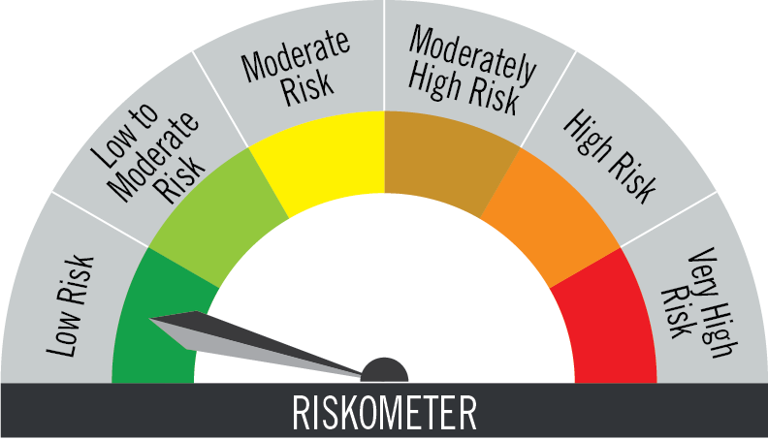 The risk of the scheme is low | AMFI Tier 1 Benchmark - Nifty 50 Arbitrage TR Index The risk of the benchmark is low
14 | PGIM India Equity Savings Fund | (An Equity Savings Fund - An Open Ended Scheme investing in equity, arbitrage and debt) | The investment objective of the scheme is to provide capital appreciation and income distribution to the investors by using equity and equity related instruments, arbitrage opportunities and investments in debt and money market instruments. | (w.e.f. May 12, 2022) Mr. Anandha Padmanabhan Anjeneyan (Equity Portion) (Over 17 years of experience in Equity Market); (w.e.f. April 15, 2024) Mr. Vivek Sharma (Equity Portion) (Over 15 years of experience in Equity market, research and fund management); (w.e.f. April 01, 2023) Mr. Vinay Paharia (Equity Portion) (Over 22 years of experience in Indian financial markets, primarily in equity research & Fund Management); (w.e.f. December 01, 2021) Mr. Puneet Pal (Debt Portion) (Over 24 years of experience in Debt Market). | NIFTY Equity Savings Index | CRISIL 10 Year Gilt Index | Nil |  | Regular Plan and Direct Plan | IDCW** (Monthly and Annual - Payout of Income Distribution cum Capital Withdrawal option / Reinvestment of Income Distribution cum Capital Withdrawal option) and Growth. | Rs. 5000/- and in multiples of Re. 1/- thereafter. | 59.40 | 1.80% | 1.11% | Regular Plan: 05/02/2004 | Click here | Click here | Click here | This product is suitable for investors who are seeking* • Capital appreciation and Income distribution over the medium term • Investment primarily in equity and equity related securities and a small allocation to debt securities • Degree of risk – MODERATE * Investors should consult their financial advisers if in doubt about whether the product is suitable for them. | The risk of the scheme is moderate | 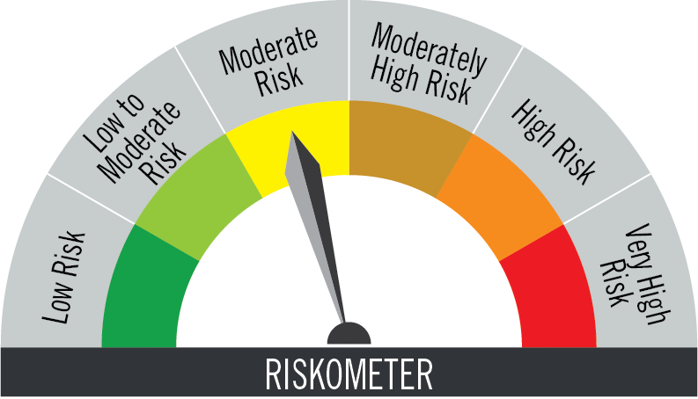 AMFI Tier 1 Benchmark - NIFTY Equity Savings Index The risk of the benchmark is moderate
15 | PGIM India Balanced Advantage Fund | (Balanced Advantage Fund - An open ended dynamic asset allocation fund) | To provide capital appreciation and income distribution to the investors by dynamically managing the asset allocation between equity and fixed income using equity derivatives strategies, arbitrage opportunities and pure equity investments. The scheme seeks to reduce the volatility by diversifying the assets across equity and fixed income. However, there can be no assurance that the investment objective of the Scheme will be achieved. The Scheme does not guarantee/ indicate any returns. | (w.e.f. April 15, 2024) Mr. Utsav Mehta (Equity Portion) (Over 14 years of experience in Equity market, research and fund management); (w.e.f. April 01, 2023) Mr. Anandha Padmanabhan Anjeneyan (Equity Portion) (Over 17 years of experience in Equity Market); (w.e.f. April 01, 2023) Mr. Vinay Paharia (Equity Portion)(Over 22 years of experience in Indian financial markets, primarily in equity research & Fund Management) and (w.e.f. December 01, 2021) Mr. Puneet Pal (Debt Portion) (Over 24 years of experience in Debt Market). | CRISIL Hybrid 50+50 Moderate Index | Nifty 50 TRI | For Exits within 90 days from date of allotment of units: 0.50%; For Exits beyond 90 days from date of allotment of units: NIL. |  | Regular Plan and Direct Plan | IDCW** (Payout of Income Distribution cum Capital Withdrawal option and Re-investment of Income Distribution cum Capital Withdrawal option) and Growth. | Rs. 5000/- and in multiples of Re. 1/- thereafter. | 758.99 | 2.51% | 0.92% | Regular Plan: 04/02/2021 | Click here | Click here | Click here | This product is suitable for investors who are seeking* • Capital appreciation over a long period of time • Investment in equity and equity related securities including the use of equity derivatives strategies and arbitrage opportunities with balance exposure in debt and money market instruments. • Degree of risk – VERY HIGH * Investors should consult their financial advisers if in doubt about whether the product is suitable for them. | The risk of the scheme is very high | AMFI Tier 1 Benchmark - CRISIL Hybrid 50+50 Moderate Index The risk of the benchmark is high
16 | PGIM India Retirement Fund | (Solution Oriented Scheme – Retirement Fund - An open ended retirement solution oriented scheme having a lock-in of 5 years or till retirement age (whichever is earlier)) | The investment objective of the scheme is to provide capital appreciation and income to investors in line with their retirement goals by investing in a mix of securities comprising of equity, equity related instruments, REITs and InvITs and fixed income securities. However, there is no assurance that the investment objective of the scheme will be achieved. The Scheme does not guarantee/ indicate any returns. | (w.e.f. April 15, 2024) Mr. Vinay Paharia (Equity Portion) (Over 22 years of experience in Indian financial markets, primarily in equity research & Fund Management); (w.e.f. April 15, 2024) Mr. Puneet Pal (REITs & InVITs Debt portion) (Over 24 years of experience in Debt Market); (w.e.f. August 01, 2024) Mr. Anandha Padmanabhan Anjeneyan (Equity Portion) (Over 17 years of experience in Equity Market);(w.e.f. August 01, 2024) Mr. Vivek Sharma (Equity Portion) (Over 15 years of experience in Equity market, research and fund management). | BSE 500 TRI | Nifty 50 TRI | Nil |  | Regular Plan and Direct Plan | IDCW** (Payout of Income Distribution cum Capital Withdrawal option) and Growth. | Rs. 5000/- and in multiples of Re. 1/- thereafter. | 106.41 | 2.53% | 1.04% | Regular Plan: 15/04/2024 | Click here | Click here | Click here | This product is suitable for investors who are seeking* • Long term capital appreciation • Investment predominantly in equity and equity related instruments • Degree of risk – VERY HIGH * Investors should consult their financial advisers if in doubt about whether the product is suitable for them. | The risk of the scheme is very high | AMFI Tier 1 Benchmark - BSE 500 TRI The risk of the benchmark is very high
17 | PGIM India Multi Asset Allocation Fund | Multi Asset Allocation Fund - An open ended scheme investing in Equity and Equity related instruments, Debt & Money Market instruments, Gold ETFs & Silver ETFs | The investment objective of the Scheme is to seek to generate long term capital appreciation by investing in multiple asset classes including equity and equity related securities, debt and money market instruments, Gold ETFs & Silver ETFs. However, there is no assurance that the investment objective of the scheme will be achieved. The Scheme does not guarantee/ indicate any returns. | (w.e.f. November 28, 2025) Mr. Utsav Mehta (Equity Portion) (Over 14 years of experience in Equity market, research and fund management); (w.e.f. November 28, 2025) Mr. Anandha Padmanabhan Anjeneyan (Equity Portion) (Over 17 years of experience in Equity Market); (w.e.f. November 28, 2025) Mr. Vivek Sharma (Equity Portion)(Over 22 years of experience in Indian financial markets, primarily in equity research & Fund Management) and (w.e.f. Novemmber 28, 2025) Mr. Puneet Pal (Debt Portion) (Over 24 years of experience in Debt Market). | 60% of Nifty 500 TRI+ 20% of Crisil Short Term Bond Index + 10% of Domestic prices of Gold + 10% of Domestic prices of Silver | Nifty 50 TRI | For Exits within 90 days from date of allotment of units: 0.50%; For Exits beyond 90 days from date of allotment of units: NIL. |  | Regular Plan and Direct Plan | IDCW** (Payout of Income Distribution cum Capital Withdrawal option and Re-investment of Income Distribution cum Capital Withdrawal option) and Growth. | Rs. 5000/- and in multiples of Re. 1/- thereafter. | 292.12 | 2.58% | 0.87% | Regular Plan: 28/11/2025 | Click here | Click here | Returns are not provided as the scheme has not completed one year since inception. | This product is suitable for investors who are seeking* • Capital appreciation over a long period of time • Investments in a diversified portfolio of equity & equity related instruments, Debt & Money Market Instruments, and Gold ETFs & Silver ETFs. • Degree of risk – VERY HIGH * Investors should consult their financial advisers if in doubt about whether the product is suitable for them. | The risk of the scheme is very high | 60% of Nifty 500 TRI+ 20% of Crisil Short Term Bond Index + 10% of Domestic prices of Gold + 10% of Domestic prices of Silver The risk of the benchmark is very high
18 | PGIM India Overnight Fund | (An Overnight Fund - An open ended debt scheme investing in overnight securities. A relatively low interest rate risk and relatively low credit risk scheme.) | The Scheme aims to provide reasonable returns commensurate with low risk and providing a high level of liquidity, through investments made primarily in overnight securities having maturity of 1 business day. However, there can be no assurance that the investment objective of the Scheme will be achieved. The Scheme does not guarantee/ indicate any returns. | (w.e.f. February 25, 2026) Mr. Sandeep Devan (Over 15 years of experience in Investment and Banking Operations) and (w.e.f. July 16, 2022) Mr. Puneet Pal (Over 24 years of experience in Debt Market). | NIFTY 1D Rate Index | CRISIL 1 Year T-Bill Index | Nil |  | Regular Plan and Direct Plan | IDCW** (Daily - Reinvestment of Income Distribution cum Capital Withdrawal option, Weekly - Payout of Income Distribution cum Capital Withdrawal option / Reinvestment of Income Distribution cum Capital Withdrawal option) and Growth. | Rs. 5000/- and in multiples of Re. 1/- thereafter. | 166.52 | 0.23% | 0.20% | Regular Plan: 27/08/2019 | Click here | Click here |  | This product is suitable for investors who are seeking* • Income over a short term investment horizon • Investment in debt and money market instruments having maturity of upto 1 business day • Degree of risk – LOW * Investors should consult their financial advisers if in doubt about whether the product is suitable for them. | The risk of the scheme is low | AMFI Tier 1 Benchmark - NIFTY 1D Rate Index The risk of the benchmark is low
19 | PGIM India Liquid Fund | (Liquid Fund - An Open ended Liquid Scheme. A relatively low interest rate risk and moderate credit risk scheme.) | To generate steady returns along with high liquidity by investing in a portfolio of short-term, high quality money market and debt instruments. | (w.e.f. February 25, 2026) Mr. Akhil Dhar (Over 9 years of experience in Credit Analysis and Research) and (w.e.f. July 16, 2022) Mr. Puneet Pal (Over 24 years of experience in Debt Market). | CRISIL Liquid Debt A-I Index | CRISIL 1 Year T-Bill Index |  |  | Regular Plan and Direct Plan | IDCW** (Daily Reinvestment of Income Distribution cum Capital Withdrawal option only, Weekly, Monthly - Payout of Income Distribution cum Capital Withdrawal option / Reinvestment of Income Distribution cum Capital Withdrawal option) and Growth. | Rs. 5000/- and in multiples of Re. 1/- thereafter. | 786.72 | 0.22% | 0.11% | Regular Plan: 21/01/2003 | Click here | Click here |  | This product is suitable for investors who are seeking* • Liquidity and generate income in the short term • Investment in debt and money market securities with maturity upto 91 days only • Degree of risk – LOW TO MODERATE * Investors should consult their financial advisers if in doubt about whether the product is suitable for them. | 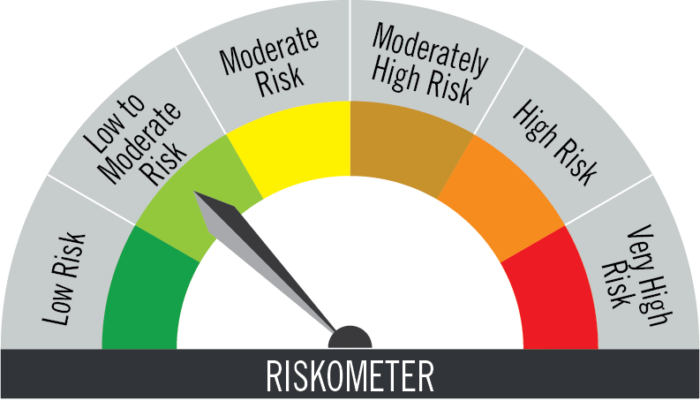 The risk of the scheme is low to moderate | AMFI Tier 1 Benchmark - CRISIL Liquid Debt A-I Index The risk of the benchmark is low to moderate
 |  |  |  |  |  |  | Investor exit upon subscription | Exit load as a % of redemption/ switch proceeds
 |  |  |  |  |  |  | Day 1 | 0.0070%
 |  |  |  |  |  |  | Day 2 | 0.0065%
 |  |  |  |  |  |  | Day 3 | 0.0060%
 |  |  |  |  |  |  | Day 4 | 0.0055%
 |  |  |  |  |  |  | Day 5 | 0.0050%
 |  |  |  |  |  |  | Day 6 | 0.0045%
 |  |  |  |  |  |  | Day 7 onwards | 0.0000%

20 | PGIM India Ultra Short Duration Fund | (An Ultra-Short Duration Fund - An open ended ultra-short term debt scheme investing in instruments such that the Macaulay duration of the portfolio is between 3 months to 6 months. A relatively low interest rate risk and moderate credit risk scheme.) | To provide liquidity and seek to generate returns by investing in a mix of short term debt and money market instruments. | (w.e.f. July 16, 2022) Mr. Puneet Pal (Over 24 years of experience in Debt Market) and (w.e.f. February 25, 2026) Mr. Akhil Dhar (Over 9 years of experience in Credit Analysis and Research). | CRISIL Ultra Short Duration Debt A-I Index | CRISIL 1 Year T-Bill Index | Nil. |  | Regular Plan and Direct Plan | IDCW** (Daily Reinvestment of Income Distribution cum Capital Withdrawal option only, Weekly & Monthly - Reinvestment of Income Distribution cum Capital Withdrawal option / Payout of Income Distribution cum Capital Withdrawal option) and Growth. | Rs. 5000/- and in multiples of Re. 1/- thereafter. | 176.55 | 0.92% | 0.35% | Regular Plan: 14/07/2008 | Click here | Click here |  | This product is suitable for investors who are seeking* • Income over the short term • Investment in short term debt and money market instruments • Degree of risk – LOW TO MODERATE * Investors should consult their financial advisers if in doubt about whether the product is suitable for them. | The risk of the scheme is low to moderate | AMFI Tier 1 Benchmark - CRISIL Ultra Short Duration Debt A-I Index The risk of the benchmark is low to moderate
21 | PGIM India Money Market Fund^ | (A Money Market Fund - An open ended debt scheme investing in money market instruments. A relatively low interest rate risk and moderate credit risk scheme.) (The scheme has 1 segregated portfolio which was created under PGIM India Credit Risk Fund. Main portfolio of PGIM India Credit Risk Fund was merged with PGIM India Low Duration Fund w.e.f. January 22, 2022 which was further merged with PGIM India Money Market Fund w.e.f. September 30, 2023.) | The Scheme seeks to deliver reasonable market related returns through investments in Money Market instruments. | (w.e.f. July 16, 2022) Mr. Puneet Pal (Over 24 years of experience in Debt Market) and (w.e.f. February 25, 2026) Mr. Akhil Dhar (Over 9 years of experience in Credit Analysis and Research). | CRISIL Money Market A-I Index | CRISIL 1 Year T-Bill Index | Nil. |  | Regular Plan and Direct Plan | IDCW** (Daily & Weekly Reinvestment of Income Distribution cum Capital Withdrawal option only, Monthly - Payout of Income Distribution cum Capital Withdrawal option) and Growth. | Rs. 5000/- and in multiples of Re. 1/- thereafter. | 128.32 | 0.38% | 0.16% | Regular Plan: 06/03/2020 | Click here | Click here |  | This product is suitable for investors who are seeking* • Regular income for short term • Investments in Money Market instruments • Degree of risk – LOW TO MODERATE * Investors should consult their financial advisers if in doubt about whether the product is suitable for them. | The risk of the scheme is low to moderate | AMFI Tier 1 Benchmark - CRISIL Money Market A-I Index The risk of the benchmark is low to moderate
22 | PGIM India Dynamic Bond Fund | (Dynamic Bond Fund - An open ended dynamic debt scheme investing across duration. A relatively high interest rate risk and relatively low credit risk scheme.) | The objective of the Scheme is to seek to generate returns through active management of a portfolio of debt and money market instruments. However, there is no assurance that the investment objective of the Scheme will be realized and the Scheme does not assure or guarantee any returns. | Mr. Puneet Pal (Over 24 years of experience in Debt Market) and (w.e.f. February 25, 2026) Mr. Akhil Dhar (Over 9 years of experience in Credit Analysis and Research). | CRISIL Dynamic Bond A-III Index | CRISIL 10 Year Gilt Index | Nil |  | Regular Plan and Direct Plan | IDCW** (Quarterly - Payout of Income Distribution cum Capital Withdrawal option /Reinvestment of Income Distribution cum Capital Withdrawal option) and Growth. | Rs. 5000/- and in multiples of Re. 1/- thereafter. | 81.29 | 1.68% | 0.49% | Regular Plan: 12/01/2012 | Click here | Click here |  | This product is suitable for investors who are seeking* • Regular income for short term. • To generate returns through active management of a portfolio of debt and money market instruments. • Degree of risk – MODERATE * Investors should consult their financial advisers if in doubt about whether the product is suitable for them. | The risk of the scheme is moderate | AMFI Tier 1 Benchmark - CRISIL Dynamic Bond A-III Index The risk of the benchmark is moderate
23 | PGIM India Corporate Bond Fund | (Corporate Bond Fund - An open ended debt scheme predominantly investing in AA+ and above rated corporate bonds. A relatively high interest rate risk and moderate credit risk scheme.) | The investment objective of the Scheme is to seek to generate income and capital appreciation by predominantly investing in AA+ and above rated corporate bonds. | (w.e.f. December 13, 2017) Mr. Puneet Pal (Over 24 years of experience in Debt Market) and (w.e.f. February 25, 2026) Mr. Akhil Dhar (Over 9 years of experience in Credit Analysis and Research | CRISIL Corporate Debt A-II Index | CRISIL 10 Year Gilt Index | Nil |  | Regular Plan and Direct Plan | IDCW** (Monthly, Quarterly and Annual - Payout of Income Distribution cum Capital Withdrawal option / Reinvestment of Income Distribution cum Capital Withdrawal option) and Growth. | Rs. 5000/- and in multiples of Re. 1/- thereafter. | 85.64 | 0.96% | 0.37% | Regular Plan: 30/01/2003 | Click here | Click here |  | This product is suitable for investors who are seeking* • Income over the medium term • Investments predominantly in AA+ and above rated corporate bonds including bonds • Degree of risk – MODERATE * Investors should consult their financial advisers if in doubt about whether the product is suitable for them. | The risk of the scheme is moderate | AMFI Tier 1 Benchmark - CRISIL Corporate Debt A-II Index The risk of the benchmark is low to moderate
24 | PGIM India Gilt Fund | (Gilt Fund - An open ended debt scheme investing in government securities across maturities. A relatively high interest rate risk and relatively low credit risk scheme.) | To generate reasonable returns by investing in Central/State Government securities of various maturities. | (w.e.f. December 13, 2017) Mr. Puneet Pal (Over 24 years of experience in Debt Market) and (w.e.f. February 25, 2026) Mr. Akhil Dhar (Over 9 years of experience in Credit Analysis and Research). | CRISIL Dynamic Gilt Index | CRISIL 10 Year Gilt Index | Nil |  | Regular Plan and Direct Plan | IDCW** (Quarterly - Payout of Income Distribution cum Capital Withdrawal option / Reinvestment of Income Distribution cum Capital Withdrawal option) and Growth. | Rs. 5000/- and in multiples of Re. 1/- thereafter. | 88.22 | 1.41% | 0.52% | Regular Plan: 27/10/2008 | Click here | Click here |  | This product is suitable for investors who are seeking* • Income over the medium term • Investments only in Central/State securities of various maturities • Degree of risk – MODERATE * Investors should consult their financial advisers if in doubt about whether the product is suitable for them. | The risk of the scheme is moderate | AMFI Tier 1 Benchmark - CRISIL Dynamic Gilt Index The risk of the benchmark is moderate
25 | PGIM India CRISIL IBX Gilt Index - Apr 2028 Fund | (Index Fund - An open-ended Target Maturity Index Fund investing in constituents of the CRISIL-IBX Gilt Index - April 2028. A relatively high interest rate risk and relatively low credit risk) | The investment objective of the scheme is to generate returns that corresponds to the total returns of the securities as represented by the CRISIL-IBX Gilt Index - April 2028 (before fees and expenses), subject to tracking errors. However, there can be no assurance that the investment objective of the Scheme will be achieved. The Scheme does not guarantee/ indicate any returns. | (w.e.f. February 22, 2023) Mr. Puneet Pal (Over 24 years of experience in Debt Market) and (w.e.f. February 25, 2026) Mr. Sandeep Devan (Over 15 years of experience in Investment and Banking Operations). | CRISIL-IBX Gilt Index - April 2028 | CRISIL 10 Year Gilt Index | Nil |  | Regular Plan and Direct Plan | IDCW** (Payout of Income Distribution cum Capital Withdrawal option / Reinvestment of Income Distribution cum Capital Withdrawal option) and Growth. | Rs. 5000/- and in multiples of Re. 1/- thereafter. | 21.69 | 0.60% | 0.46% | Regular Plan: 22/02/2023 | Click here | Click here |  | This product is suitable for investors who are seeking* • Income over the target maturity period • An open-ended Target Maturity Index Fund investing in constituents of the CRISIL-IBX Gilt Index - April 2028 • Degree of risk – LOW TO MODERATE * Investors should consult their financial advisers if in doubt about whether the product is suitable for them. | The risk of the scheme is low to moderate | AMFI Tier 1 Benchmark - CRISIL-IBX Gilt Index - April 2028 The risk of the benchmark is low to moderate

 | Total Expense Ratio includes Goods and Services Tax on management fees & additional commission. Complete details of Total Expense Ration Disclosure, please click here
 | ^Details given are only for Main Portfolio, for segregated portfolio details please refer latest factsheet page no. 32.

 | *Total Expense Ratio for PGIM India Emerging Markets Equity Fund of Fund, PGIM India Global Equity Opportunities Fund of Fund and PGIM India Global Select Real Estate Securities Fund Of Fund is inclusive of expense of the underlying fund.

 | **Income Distribution cum Capital Withdrawal option

 | #For the latest information on the FOF subscriptions, kindly refer to the addendum on https://www.pgimindia.com/mutual-funds/disclosures/Addenda-Notices/Addenda-Notices

